TPZ
On-line Calculator developed from
AS 4970 - 2009 Protection of trees on development sites

DETERMINING THE TPZ AS 4970 - 2009 Section 3.2
DBH = Diameter at breast height measured at 1.4m above ground level.
The radius of the TPZ is calculated for each tree by multiplying its DBH x 12
Single Stem
Tree Protection Zone (TPZ) | = | DBH in meters x 12

where,
DBH | = | trunk diameter measured at 1.4m above ground level
 | = |  | cm
OR,
DBH | = | circumference of the trunk divided by π
where,
circumference | = |  | cm
therefore,
DBH | = | 0 | cm
Note: Radius is measured from the centre of the stem at 1.4m above ground level
therefore,
Tree Protection Zone | = | 0 | m
A TPZ should not be less than 2 m nor greater than 15 m (except where crown protection is required)

Is the tree a palm, monocot, cycad or fern? |  |  |  | NO | enter YES/NO
The TPZ of a palm is 1.0m outside the outer edge of the fronds.

Multi Stemmed Trees

For Multi Stem Trees use the following formula to calculate the trunk diameter

DBH1 | = |  | cm

DBH2 | = |  | cm

DBH3 | = |  | cm

DBH4 | = |  | cm

DBH5 | = |  | cm

DBH6 | = |  | cm

DBH7 | = |  | cm

DBH8 | = |  | cm

Total Depth at Breast Height | = | 0 | m
therefore
Tree Protection Zone (TPZ) | = | 0 | m

A TPZ should not be less than 2 m nor greater than 15 m (except where crown protection is required)
The TPZ of a palm is 1.0m outside the outer edge of the fronds.

SRZ
On-line Calculator developed from
AS 4970 - 2009 Protection of trees on development sites
 |  |  |  | 
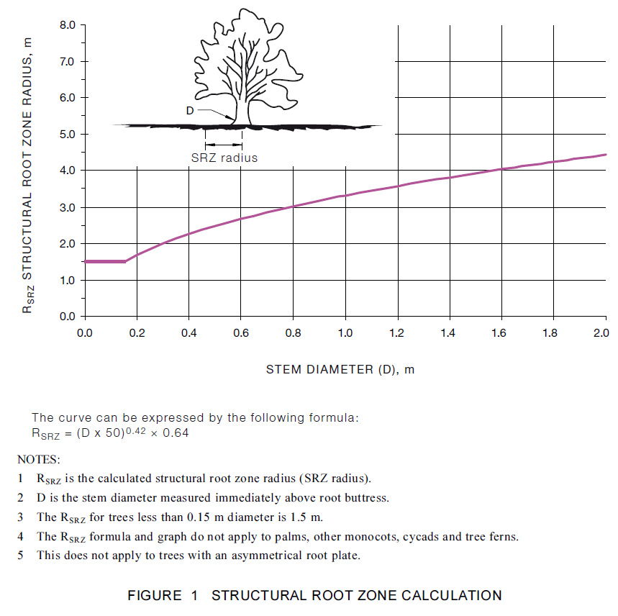
AS 4970 - 2009 - Figure 1 CHECK ONLY

Note: The SRZ formula does not apply to trees with asymmetrical root plates.
The SRZ is the minimum area required for tree stability. A larger area is required to maintain a viable tree.
 |  |  |  |  |  | STEM DIAMETER (D), m | RSRZ
The SRZ only needs to be calculated when major encroachment into a TPZ is proposed, or where |  |  |  |  |  | 0 | 1.5
planting is being designed to ensure a radial root system. |  |  |  |  |  | 0.01 | 1.5
An indicative SRZ radius can be determined from the trunk diameters measured immediately |  |  |  |  |  | 0.02 | 1.5
above the root buttress using the following formula or Figure 1. |  |  |  |  |  | 0.03 | 1.5
 |  |  |  |  |  | 0.04 | 1.5
SRZ radius | = | (D x 50)0.42 x 0.64 |  |  |  | 0.05 | 1.5
 |  |  |  |  |  | 0.06 | 1.5
where, |  |  |  |  |  | 0.07 | 1.5
D | = | trunk diameter, in m, measured above the root buttress |  |  |  | 0.08 | 1.5
 | = | 0 | m |  |  | 0.09 | 1.5
therefore, |  |  |  |  |  | 0.1 | 1.5
SRZ radius | = | 1.5 | m |  |  | 0.11 | 1.5
 |  |  |  |  |  | 0.12 | 1.5
Note: The SRZ formula and graph do not apply to palms, other monocots, cycads and tree ferns |  |  |  |  |  | 0.13 | 1.5
 | see TPZ notes on previous sheet. |  |  |  |  | 0.14 | 1.5
 |  |  |  |  |  | 0.15 | 1.5
 |  |  |  |  |  | 0.16 | 1.5327727419
 |  |  |  |  |  | 0.17 | 1.5723018405 | Vertical axis
 |  |  |  |  |  | 0.18 | 1.6105040747 | STEM DIAMETER (D), m | RSRZ
 |  |  |  |  |  | 0.19 | 1.6474941767 | 0 | 0
 |  |  |  |  |  | 0.2 | 1.6833715148 | 0 | 1.5
 |  |  |  |  |  | 0.21 | 1.7182228078 | Horizontal axis
 |  |  |  |  |  | 0.22 | 1.7521242553 | STEM DIAMETER (D), m | RSRZ
 |  |  |  |  |  | 0.23 | 1.7851432288 | 0 | 1.5
 |  |  |  |  |  | 0.24 | 1.8173396306 | 0 | 1.5
 |  |  |  |  |  | 0.25 | 1.8487669955
 |  |  |  |  |  | 0.26 | 1.879473393
 |  |  |  |  |  | 0.27 | 1.9095021722
 |  |  |  |  | AS 4970/Amdt 1/2010-03-26 | 0.28 | 1.9388925815
 |  |  |  |  | Ammendment No. 1 to AS 4970 - 2009 Protection of trees on development sites | 0.29 | 1.967680288
 |  |  |  |  |  | 0.3 | 1.9958978153
 |  |  |  |  |  | 0.31 | 2.0235749156
 |  |  |  |  |  | 0.32 | 2.0507388866
 |  |  |  |  |  | 0.33 | 2.0774148442
 |  |  |  |  |  | 0.34 | 2.1036259568
 |  |  |  |  |  | 0.35 | 2.129393649
 |  |  |  |  |  | 0.36 | 2.1547377786
 |  |  |  |  |  | 0.37 | 2.1796767911
 |  |  |  |  |  | 0.38 | 2.2042278554
 |  |  |  |  |  | 0.39 | 2.2284069833
 |  |  |  |  |  | 0.4 | 2.2522291346
 |  |  |  |  |  | 0.41 | 2.2757083113
 |  |  |  |  |  | 0.42 | 2.2988576398
 |  |  |  |  |  | 0.43 | 2.321689446
 |  |  |  |  |  | 0.44 | 2.3442153205
 |  |  |  |  |  | 0.45 | 2.366446179
 |  |  |  |  |  | 0.46 | 2.388392315
 |  |  |  |  |  | 0.47 | 2.4100634483
 |  |  |  |  |  | 0.48 | 2.4314687682
 |  |  |  |  |  | 0.49 | 2.452616973
 |  |  |  |  |  | 0.5 | 2.4735163057
 |  |  |  |  |  | 0.51 | 2.4941745862
 |  |  |  |  |  | 0.52 | 2.514599241
 |  |  |  |  |  | 0.53 | 2.5347973303
 |  |  |  |  |  | 0.54 | 2.5547755721
 |  |  |  |  |  | 0.55 | 2.5745403655
 |  |  |  |  |  | 0.56 | 2.5940978106
 |  |  |  |  |  | 0.57 | 2.613453728
 |  |  |  |  |  | 0.58 | 2.6326136763
 |  |  |  |  |  | 0.59 | 2.6515829677
 |  |  |  |  |  | 0.6 | 2.6703666836
 |  |  |  |  |  | 0.61 | 2.6889696876
 |  |  |  |  |  | 0.62 | 2.7073966387
 |  |  |  |  |  | 0.63 | 2.7256520029
 |  |  |  |  |  | 0.64 | 2.7437400641
 |  |  |  |  |  | 0.65 | 2.7616649342
 |  |  |  |  |  | 0.66 | 2.7794305628
 |  |  |  |  |  | 0.67 | 2.7970407455
 |  |  |  |  |  | 0.68 | 2.8144991325
 |  |  |  |  |  | 0.69 | 2.8318092362
 |  |  |  |  |  | 0.7 | 2.848974438
 |  |  |  |  |  | 0.71 | 2.8659979952
 |  |  |  |  |  | 0.72 | 2.8828830473
 |  |  |  |  |  | 0.73 | 2.8996326218
 |  |  |  |  |  | 0.74 | 2.9162496393
 |  |  |  |  |  | 0.75 | 2.9327369194
 |  |  |  |  |  | 0.76 | 2.9490971848
 |  |  |  |  |  | 0.77 | 2.9653330661
 |  |  |  |  |  | 0.78 | 2.9814471062
 |  |  |  |  |  | 0.79 | 2.9974417641
 |  |  |  |  |  | 0.8 | 3.0133194189
 |  |  |  |  |  | 0.81 | 3.0290823731
 |  |  |  |  |  | 0.82 | 3.0447328563
 |  |  |  |  |  | 0.83 | 3.060273028
 |  |  |  |  |  | 0.84 | 3.0757049809
 |  |  |  |  |  | 0.85 | 3.0910307436
 |  |  |  |  |  | 0.86 | 3.1062522834
 |  |  |  |  |  | 0.87 | 3.1213715088
 |  |  |  |  |  | 0.88 | 3.1363902717
 |  |  |  |  |  | 0.89 | 3.15131037
 |  |  |  |  |  | 0.9 | 3.1661335498
 |  |  |  |  |  | 0.91 | 3.1808615071
 |  |  |  |  |  | 0.92 | 3.1954958899
 |  |  |  |  |  | 0.93 | 3.2100383004
 |  |  |  |  |  | 0.94 | 3.2244902963
 |  |  |  |  |  | 0.95 | 3.2388533926
 |  |  |  |  |  | 0.96 | 3.2531290636
 |  |  |  |  |  | 0.97 | 3.2673187437
 |  |  |  |  |  | 0.98 | 3.2814238295
 |  |  |  |  |  | 0.99 | 3.295445681
 |  |  |  |  |  | 1 | 3.3093856226
 |  |  |  |  |  | 1.01 | 3.3232449448
 |  |  |  |  |  | 1.02 | 3.3370249053
 |  |  |  |  |  | 1.03 | 3.3507267298
 |  |  |  |  |  | 1.04 | 3.3643516138
 |  |  |  |  |  | 1.05 | 3.3779007228
 |  |  |  |  |  | 1.06 | 3.3913751939
 |  |  |  |  |  | 1.07 | 3.4047761368
 |  |  |  |  |  | 1.08 | 3.4181046342
 |  |  |  |  |  | 1.09 | 3.4313617432
 |  |  |  |  |  | 1.1 | 3.4445484959
 |  |  |  |  |  | 1.11 | 3.4576659001
 |  |  |  |  |  | 1.12 | 3.4707149406
 |  |  |  |  |  | 1.13 | 3.4836965791
 |  |  |  |  |  | 1.14 | 3.4966117559
 |  |  |  |  |  | 1.15 | 3.5094613896
 |  |  |  |  |  | 1.16 | 3.5222463786
 |  |  |  |  |  | 1.17 | 3.5349676012
 |  |  |  |  |  | 1.18 | 3.5476259163
 |  |  |  |  |  | 1.19 | 3.5602221644
 |  |  |  |  |  | 1.2 | 3.5727571674
 |  |  |  |  |  | 1.21 | 3.5852317298
 |  |  |  |  |  | 1.22 | 3.597646639
 |  |  |  |  |  | 1.23 | 3.6100026658
 |  |  |  |  |  | 1.24 | 3.6223005647
 |  |  |  |  |  | 1.25 | 3.6345410747
 |  |  |  |  |  | 1.26 | 3.6467249195
 |  |  |  |  |  | 1.27 | 3.658852808
 |  |  |  |  |  | 1.28 | 3.6709254349
 |  |  |  |  |  | 1.29 | 3.6829434808
 |  |  |  |  |  | 1.3 | 3.6949076126
 |  |  |  |  |  | 1.31 | 3.7068184842
 |  |  |  |  |  | 1.32 | 3.7186767366
 |  |  |  |  |  | 1.33 | 3.7304829981
 |  |  |  |  |  | 1.34 | 3.7422378852
 |  |  |  |  |  | 1.35 | 3.7539420023
 |  |  |  |  |  | 1.36 | 3.7655959423
 |  |  |  |  |  | 1.37 | 3.777200287
 |  |  |  |  |  | 1.38 | 3.788755607
 |  |  |  |  |  | 1.39 | 3.8002624626
 |  |  |  |  |  | 1.4 | 3.8117214035
 |  |  |  |  |  | 1.41 | 3.8231329692
 |  |  |  |  |  | 1.42 | 3.8344976897
 |  |  |  |  |  | 1.43 | 3.8458160851
 |  |  |  |  |  | 1.44 | 3.8570886662
 |  |  |  |  |  | 1.45 | 3.8683159347
 |  |  |  |  |  | 1.46 | 3.8794983834
 |  |  |  |  |  | 1.47 | 3.8906364963
 |  |  |  |  |  | 1.48 | 3.9017307491
 |  |  |  |  |  | 1.49 | 3.9127816091
 |  |  |  |  |  | 1.5 | 3.9237895354
 |  |  |  |  |  | 1.51 | 3.9347549796
 |  |  |  |  |  | 1.52 | 3.9456783853
 |  |  |  |  |  | 1.53 | 3.9565601885
 |  |  |  |  |  | 1.54 | 3.9674008182
 |  |  |  |  |  | 1.55 | 3.978200696
 |  |  |  |  |  | 1.56 | 3.9889602365
 |  |  |  |  |  | 1.57 | 3.9996798475
 |  |  |  |  |  | 1.58 | 4.0103599301
 |  |  |  |  |  | 1.59 | 4.0210008788
 |  |  |  |  |  | 1.6 | 4.0316030819
 |  |  |  |  |  | 1.61 | 4.0421669213
 |  |  |  |  |  | 1.62 | 4.0526927727
 |  |  |  |  |  | 1.63 | 4.0631810061
 |  |  |  |  |  | 1.64 | 4.0736319854
 |  |  |  |  |  | 1.65 | 4.0840460689
 |  |  |  |  |  | 1.66 | 4.0944236093
 |  |  |  |  |  | 1.67 | 4.1047649538
 |  |  |  |  |  | 1.68 | 4.1150704443
 |  |  |  |  |  | 1.69 | 4.1253404174
 |  |  |  |  |  | 1.7 | 4.1355752045
 |  |  |  |  |  | 1.71 | 4.1457751323
 |  |  |  |  |  | 1.72 | 4.1559405221
 |  |  |  |  |  | 1.73 | 4.1660716908
 |  |  |  |  |  | 1.74 | 4.1761689503
 |  |  |  |  |  | 1.75 | 4.1862326081
 |  |  |  |  |  | 1.76 | 4.196262967
 |  |  |  |  |  | 1.77 | 4.2062603255
 |  |  |  |  |  | 1.78 | 4.2162249777
 |  |  |  |  |  | 1.79 | 4.2261572135
 |  |  |  |  |  | 1.8 | 4.2360573184
 |  |  |  |  |  | 1.81 | 4.2459255742
 |  |  |  |  |  | 1.82 | 4.2557622583
 |  |  |  |  |  | 1.83 | 4.2655676444
 |  |  |  |  |  | 1.84 | 4.2753420023
 |  |  |  |  |  | 1.85 | 4.2850855981
 |  |  |  |  |  | 1.86 | 4.294798694
 |  |  |  |  |  | 1.87 | 4.3044815488
 |  |  |  |  |  | 1.88 | 4.3141344175
 |  |  |  |  |  | 1.89 | 4.3237575518
 |  |  |  |  |  | 1.9 | 4.3333511999
 |  |  |  |  |  | 1.91 | 4.3429156066
 |  |  |  |  |  | 1.92 | 4.3524510134
 |  |  |  |  |  | 1.93 | 4.3619576587
 |  |  |  |  |  | 1.94 | 4.3714357775
 |  |  |  |  |  | 1.95 | 4.3808856018
 |  |  |  |  |  | 1.96 | 4.3903073605
 |  |  |  |  |  | 1.97 | 4.3997012795
 |  |  |  |  |  | 1.98 | 4.4090675819
 |  |  |  |  |  | 1.99 | 4.4184064876
 |  |  |  |  |  | 2 | 4.4277182139

